Sheet1
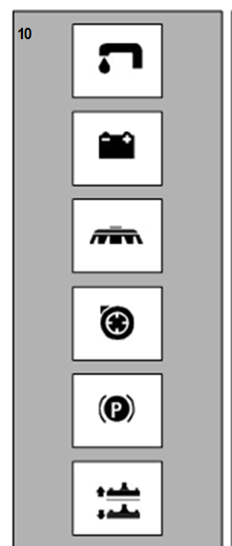
Solution Valve symbol.
Indicates the Valve open
signal lamp.

Battery charge level symbol.

Brush symbol. Indicates
the Brush motor switch.

Vacuum motor symbol

Brake symbol. Indicates
the hand brake Engaged signal lamp.
Used over the emergency brake lever.

Squeegee lift/lower symbol.
Indicates the squeegee lift lever.

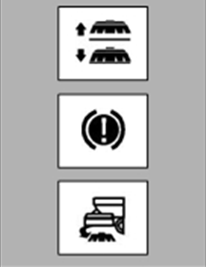
Brush base lift/lower symbol.
Indicates the base lift lever.

Brake symbol.
Indicates the parking brake
disengaged position.

Automatic brush uncoupling symbol.
Indicates the switch for automatic
removal of brush.

